1. Title Page
Project Name: Instacart Grocery Basket Analysis
Date: July 06, 2023
Analyst Name: Janet Odusanya

Contents:
Population Flow
Consistency checks
Wrangling steps
Column derivations
Visualizations
Recommendations

Data Source:
“The Instacart Online Grocery Shopping Dataset 2017”, Accessed from www.instacart.com/datasets/grocery-shopping-2017 via Kaggle on June 10, 2023.

2. Population Flow
Population flow

Exclusion flag
Condition: max_order <
Obervations to be removed:
Final total count of order_products_all:

Orders_products_combined
Orders_products_merged
Orders_products_all

Total: 32,434,489
Total: 32,404,859
Total: 30,629,741

1.) The grey boxes in the first row of the population flow represent the original data sets as they were when you downloaded them. In the Total fields you need to add the count of the rows when you imported the data set into Jupyter.
2.) The second row of boxes (coloured) represents the data sets after you manipulated them, e.g., removed missing values and duplicates. In the Total fields you need to add the count of the rows after conducting these operations. This offers a visual oveview of how the data flows throughout the data consistency checks.
3.) The third row, where also the arrows are coloured, represents the merges you performed between the datasets. In the Total fields you need to add the count of the rows in the merged datasets, so that you end up with the final dataset (in the red box). Keep in mind the final dataset should be without exclusions (based on the exclusion flag).

3. Consistency checks
Consistency checks

Dataset | Missing values | Missing values treatment | Duplicates
orders | 206209 from 'days_since_prior_order' | Any modifications to these missing values would not be necessary as they have meaning in themselves. Customers with order number of 1 can represent new customers, without day_since_last_order values | No duplicates found
products | 16 from 'product_name' | Create new df without missing values | 5 duplicates were found and removed
orders_products_prior | No missing values | N/A | No duplicates found
customers | 11259 from 'First Name' Column | Left the values as missing | No duplicates found

Performed a check to ascertain that the missing values in days_since_last_order were caused by the fact that there can’t be any days before a first order. Hence first order has 0 values for days_since_last_order

4. Wrangling steps
Wrangling steps

Columns dropped | Columns renamed | Columns' type changed | Comment/Reason
eval_set from orders.csv |  |  | Not needed in dataframe
 | order_dow from orders.csv |  | Renamed to a more intuitive title; 'orders_day_of_week'
 | days_since_prior_order from orders.csv |  | Renamed to a more intuitive title; 'days_since_last_order'
 |  | order_id from orders.csv | Changed data type from integer to string
 |  | user_id from orders.csv | Changed data type from integer to string
 | Surnam from customers.csv |  | There was spelling error. Renamed to 'Surname'
 | fam_status |  | Renamed to a more intuitive title; 'Family_status'
First Name from customers.csv |  |  | Dropped because it is PII data
Surname from customers.csv |  |  | Dropped because it is PII data
 |  | user_id from customers.csv | Changed data type from integer to string

5. Column derivations
Column derivations and aggregations

Dataset | New column | Column/s it was derived from | Conditions | Frequency | Script Location
df_orders_products_merged | price_range_loc | prices | prices <= 5; are 'Low range product' | 10126321 | 4.7 Deriving New Variables
df_orders_products_merged | price_range_loc | prices | prices > 5 and <= 15; are 'Mid range product' | 21860860
df_orders_products_merged | price_range_loc | prices | prices > 15; are 'High range' | 417678

df_orders_products_merged | busiest_day | orders_day_of_week | orders_day_of_the_week = 0; is 'Busiest day' | 6204182 | 4.7 Deriving New Variables
df_orders_products_merged | busiest_day | orders_day_of_week | orders_day_of_the_week = 4; is 'Least busy' | 3783802
df_orders_products_merged | busiest_day | orders_day_of_week | All other days are 'Regularly busy' | 22416875

df_orders_products_merged | busiest_days | orders_day_of_week | orders_day_of_the_week = 0 or 1; are 'Busiest days' | 11864412 | 4.7 Deriving New Variables
df_orders_products_merged | busiest_days | orders_day_of_week | orders_day_of_the_week = 3 or 4; are 'Least busy days' | 7624336
df_orders_products_merged | busiest_days | orders_day_of_week | All other days are 'Regularly busy' | 12916111

df_orders_products_merged | busiest_period_of_day | order_hour_of_day | order_hour_of_day = 10,11,14,15,13,12,16,9 are 'Most orders' | 21118071 | 4.7 Deriving New Variables
df_orders_products_merged | busiest_period_of_day | order_hour_of_day | order_hour_of_day = 23, 6, 0, 1, 5, 2, 4, 3; 'Fewest orders' | 1289137
df_orders_products_merged | busiest_period_of_day | order_hour_of_day | The remaining 8 hours are 'Average orders' | 9997651

df_orders_products_merged | loyalty_flag | max_order | max_order > 40; is 'Loyal customer' | 10284093 | 4.8 Grouping Data & Aggregating Variables
df_orders_products_merged | loyalty_flag | max_order | max_order > 10 and <= 40; is 'Regular customer' | 15876776
df_orders_products_merged | loyalty_flag | max_order | max_order <= 10; is 'New customer' | 6243990

df_orders_products_merged | spending_flag | mean_price | mean_price < 10; is 'Low spender' | 31770742 | 4.8 Grouping Data & Aggregating Variables
df_orders_products_merged | spending_flag | mean_price | mean_price >= 10; is 'High spender' | 634117

df_orders_products_merged | frequency_flag | median_days_since_prior_order | median_days > 20; is 'Non-frequent customer' | 3636437 | 4.8 Grouping Data & Aggregating Variables
df_orders_products_merged | frequency_flag | median_days_since_prior_order | median > 10 and <= 20; is 'Regular customer | 7208564
df_orders_products_merged | frequency_flag | median_days_since_prior_order | median_days <= 10; is 'Frequent customer' | 21559853

df_ords_prods_custs | region | State | Northeast | 5722736 | Task 4.10 Part 1
df_ords_prods_custs | region | State | Midwest | 7597325
df_ords_prods_custs | region | State | South | 10791885
df_ords_prods_custs | region | State | West | 8292913

df_ords_prods_custs | customer_activity | max_order | max_order >= 5; is 'High-activity' | 29270938 | Task 4.10 Part 1
df_ords_prods_custs | customer_activity | max_order | max_order < 5; is 'Low-activity' | 1358803

df_ords_prods_custs | age_group flag | Age | Age >= 35 or value < 60; is 'Middle Age' | 12026632 | Task 4.10 Part 1
df_ords_prods_custs | age_group flag | Age | Age < 35 is 'Young adult' | 8139248
df_ords_prods_custs | age_group flag | age_group flag | The remaining Ages are 'Elderly' | 10463861

df_ords_prods_custs_dept | income_flag | income | income <= 50000; is 'Low income' | 3362554 | Task 4.10 Part 1
df_ords_prods_custs_dept | income_flag | income | income > 50000 and <= 150000; is 'Middle income' | 23707476
df_ords_prods_custs_dept | income_flag | income | income > 150000; is 'High income' | 3894534

df_ords_prods_custs_dept | family_status flag | family_status & n_dependants | family_status = divorced/widow, living with parent and siblings, single; n_dependants == 0; is 'single no dependants' | 7649698 | Task 4.10 Part 1
df_ords_prods_custs_dept | family_status flag | family_status & n_dependants | family_status = divorced/widow, living with parent and siblings, single; n_dependants >= 1; is 'single with dependants' | 1470832
df_ords_prods_custs_dept | family_status flag | family_status & n_dependants | family_status = married; n_dependants == 1; is 'married no dependants' | 7134689
df_ords_prods_custs_dept | family_status flag | family_status & n_dependants | family_status = married; n_dependants >= 1; is 'married with dependants' | 14374522

6. Visualizations
Visualisations

1. What are the busiest days of the week?
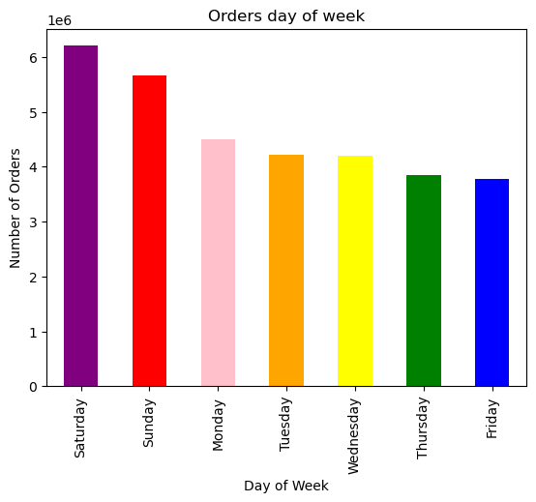

 |  |  | The busiest days of the week are Saturday and Sunday. The least busy days of the week are Tuesday and Wednesday.

2. What are the busiest hours of the day?


 |  | x-axis: hour of the day

 |  | y-axis: number of orders

 |  | The busiest hours of the day are between 9am to 4pm. The least busy hours of the day are between midnight to 6am.

3. Are there particular days of the week when people spend the most money?
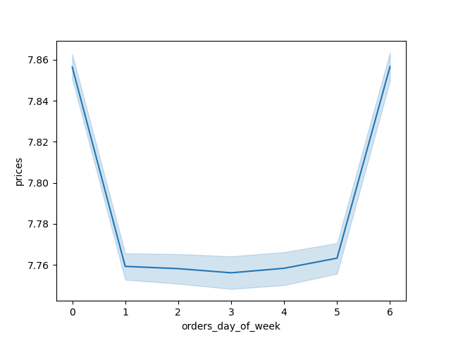

 |  | x-axis: day of the week
 |  | 0 = Saturday
 |  | 1 = Sunday
 |  | 2 = Monday
 |  | 3 = Tuesday
 |  | 4 = Wednesday
 |  | 5 = Thursday
 |  | 6 = Friday

 |  | y-axis: prices

 |  | The peaks on days zero and six mean that most money is spent on Saturday and Sunday. This makes sense as people usually stock up on things over the weekend

4. Are there particular hours of the day when people spend the most money?
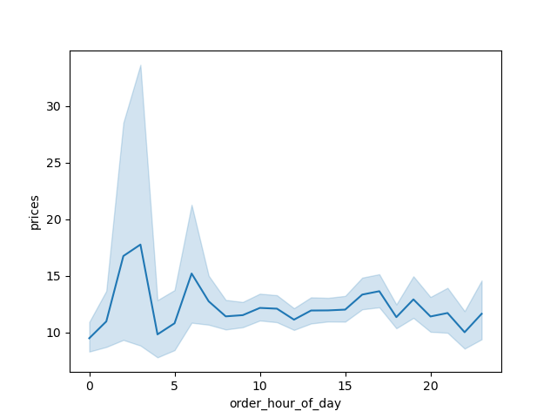

 |  | Instacart customers spend the most money between 3 and 7am, while they spend the least money between 8 and 11am.

5. What is the distribution of orders among customers in terms of loyalty?
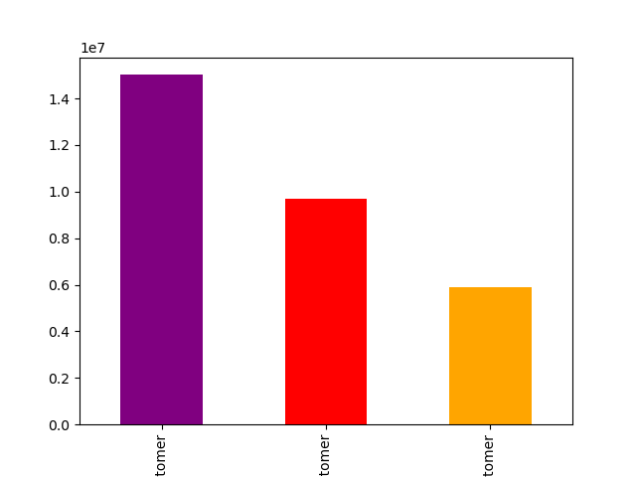

 |  |  | x-axis: customer_loyalty based on max order

 |  |  | y-axis: frequency

 |  |  | Purple = Regular customers
 |  |  | Red = Loyal customer
 |  |  | Orange =New customer

 |  |  | Customers with higher frequency of max order are regular customers while customers with low max order are the new ones

 |  |  |  |  | 6b. What are the products price distribution
6. What is the connection between age and spending power (income)?
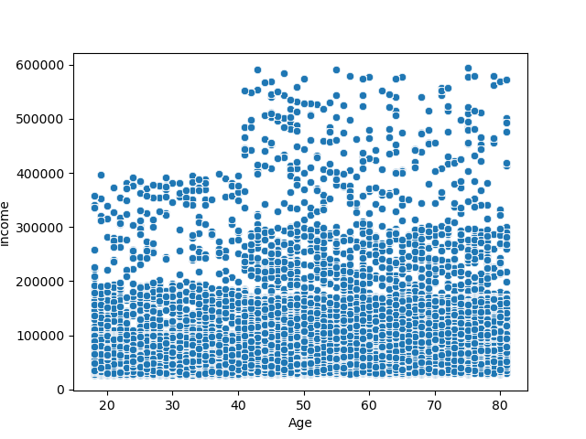
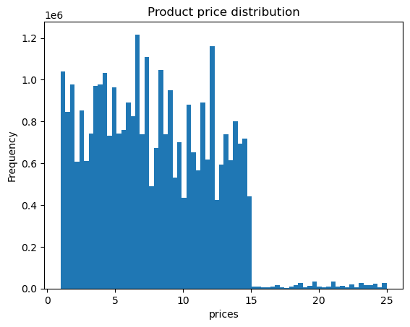

 | Customers' income increase above 400,000 with increasing age, after 40 years

 |  |  |  |  | Most preferred products by customers are those that cost less than $15

7. What is the difference in spending habits between the different U.S. regions by Age group?

By region
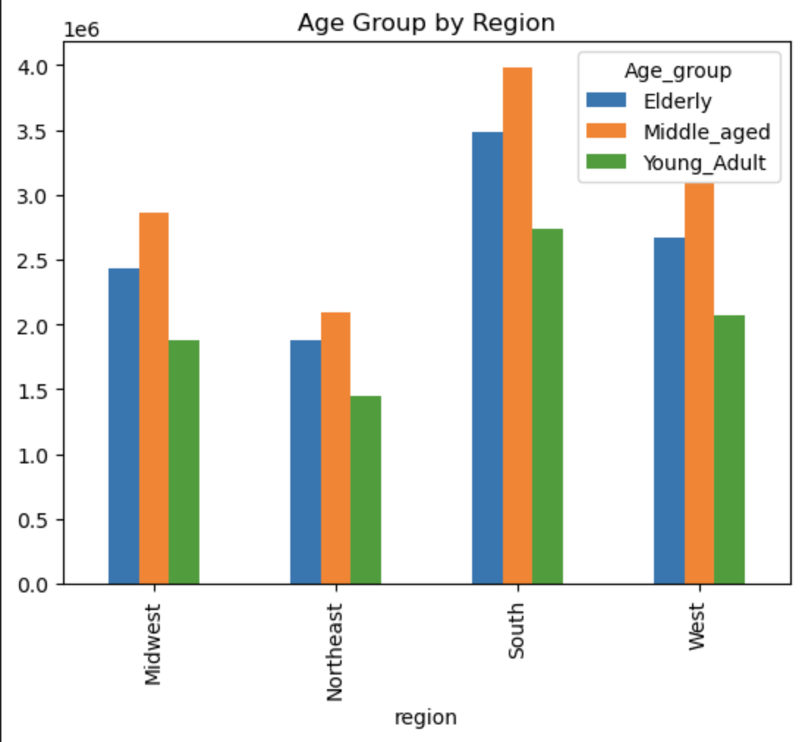
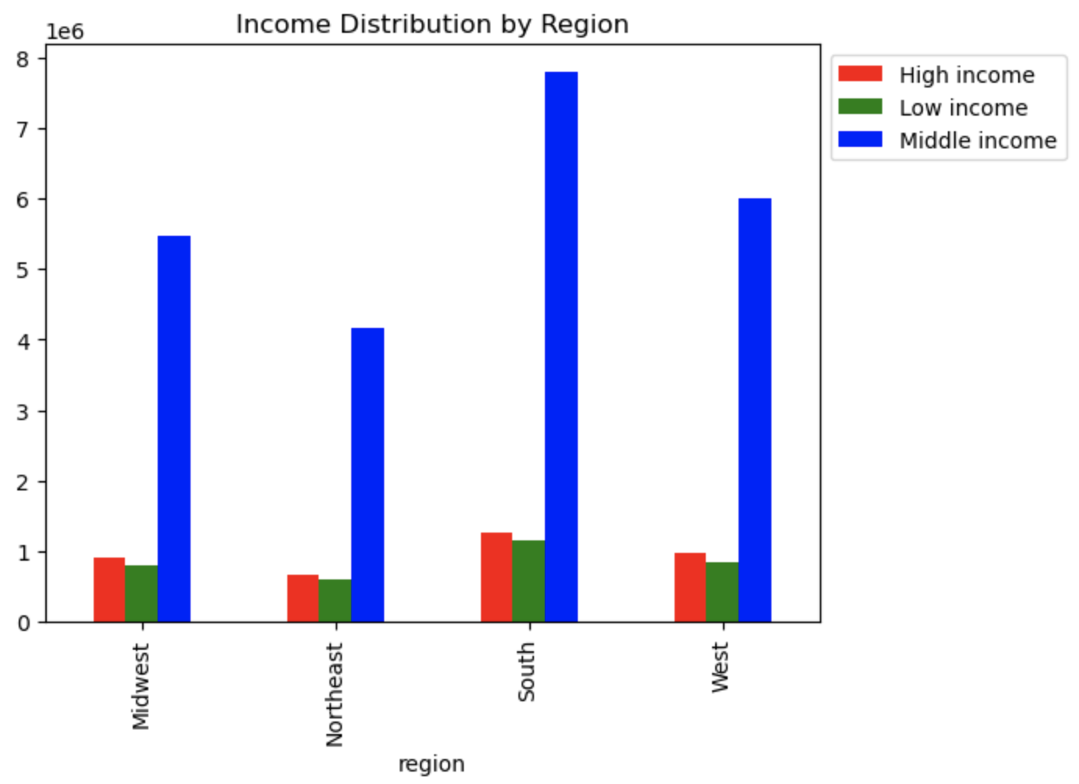

 |  |  |  |  | 7.2 Income profile: Middle income customers are the majority in each region Souther region has more customers, followed by western region across all age groups
7.1 Age profile: Middle-Aged customers contributes the most to Instacart revenue Southern region has more customers, followed by western region across all age groups

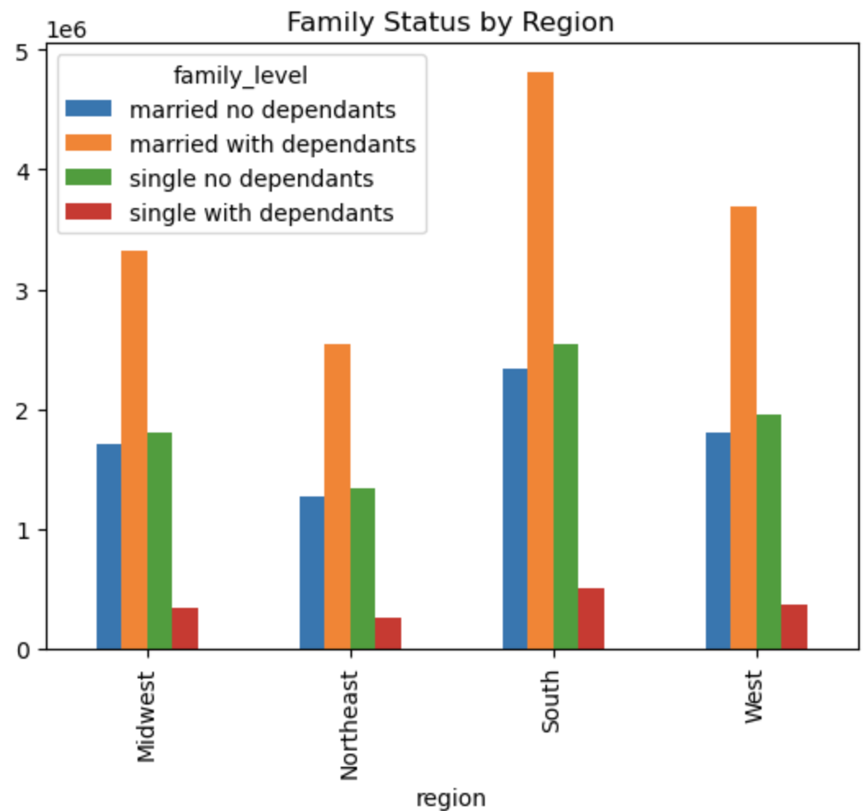

7.3 Family status profile: Generally, married customers with dependants make up the majority of instacart customers, compared to other customers across all regions. Singles with no dependants are the least in this category

8. What are the differences in ordering habits of different customer profiles?

By department:

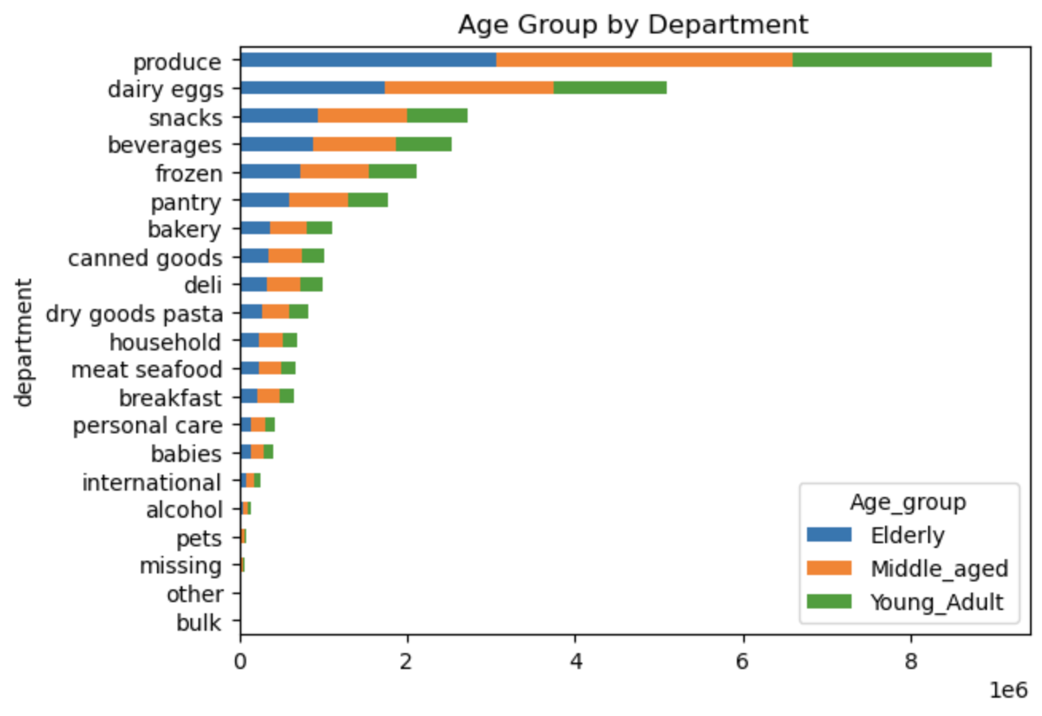
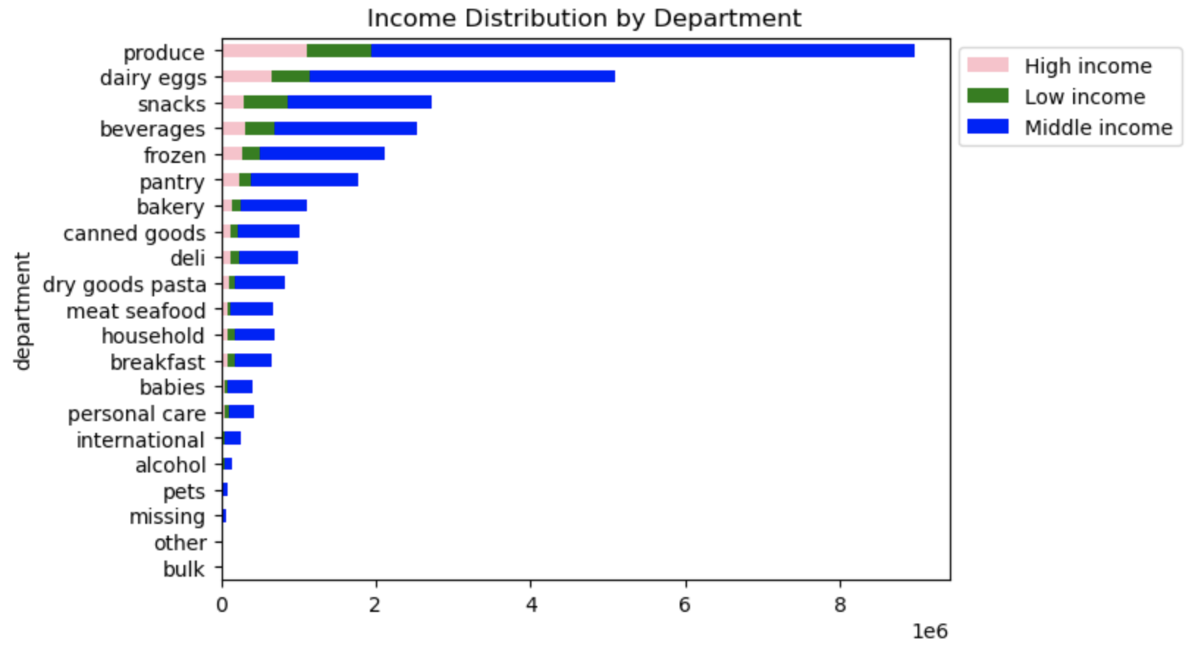

8.1 Age profile: Middle-Aged customers (between age 35 and 60) contributes the most to Instacart revenue, followed by elderly and lastly young adults across all departments Produce, dairy eggs, snacks, and beverages departments have the highest frequency of orders. |  |  |  | 8.2 Income profile: customers with high earning power buy more dairy and produce than low income earning customers, while low income customers buy more snacks and beverages than high income customers. middle income earners buy more of the whole department categories Produce, dairy eggs, snacks, and beverages departments have the highest frequency of orders.

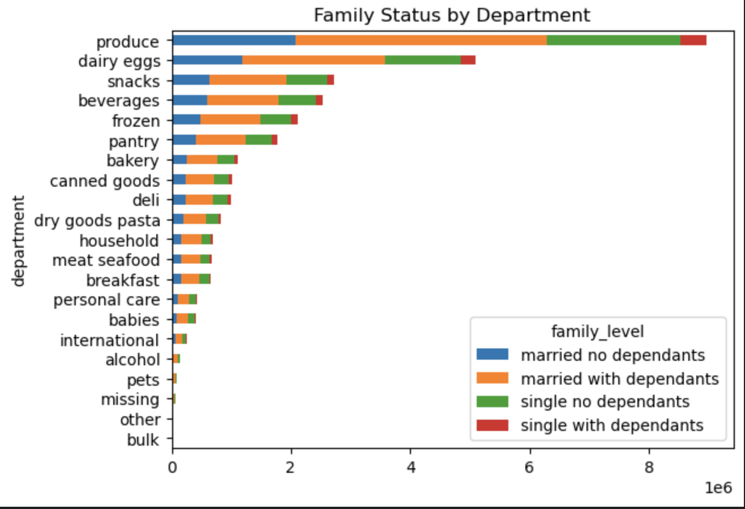

8.3 Family status profile: Generally, married customers with dependants buy more of the whole department categories compared to other customers. Singles with no dependants are the least in this category

7. Recommendations
Recommendations

Question | Answer | Recommendation
What are the busiest days of the week? | Busiest days of the week are Saturday and Sunday Least busy days are Tuesday and Wednesday | To maximize sales for Instacart on days when customer orders are typically lower, it is advisable to schedule promotion-based targeted ads before Tuesday and Wednesday to have more sales on these days.
What are the busiest hours of the day? | Busiest hours of the day are between 9am to 4pm Least busy hours of the day are between midnight to 6am. | During the peak hours, when customers are most active and engaged, the company should focus on promoting products that are likely to be in high demand and drive immediate purchases While customer activities may be low between midnight and 6am, it presents an opportunity to target night owls with limited-time offers scheduled for these times
Are there particular times of the day when people spend the most money? | People spend the most money between 3 and 7am, and they spend the least money between 8 and 11am | To leverage consumer spending patterns effectively, instacart should consider scheduling deals for high-range products, between 3 and 7 am when customers tend to spend the most money. For low and mid-range products, schedule deals between 8 and 11 am when customers typically spend the least money
Instacart has many products with different price tags. Marketing and sales wants to use simpler price range groupings to help direct their efforts. | Prices have been grouped into 'Low range product', 'Mid range product', and 'High range product' | Low range product: less than or equal to $5 Mid range product: between $5 and $15 High range product: more than $15
Which departments have the highest frequency of product orders? | Produce, dairy eggs, snacks, and beverages departments have the highest frequency of orders | understanding the top-selling products and analyzing the patterns within less popular departments, can help create ads that effectively promote the most sought-after items and develop strategies to boost sales in underperforming departments. This will help determine which items have the highest and lowest demand, and potential for generating successful ad campaigns
What are different types of customers in their system and how their ordering behaviors differ | Age profile: Middle-aged customers place the most orders across all departments, followed by adults. Produce is the most popular department across all age groups, followed by dairy eggs. Income profile: Middle income customers place the most orders across all departments. High income customers buy more produce than low income customers, while low income customers buy more snacks than high income customers Role profile: Married customers with dependants order more from each department than other categories | Instacart's targeted ags should be towards the middle income customers and Married people who have dependants since they make up the majority of the customers. Promotion offers for produce since that is the department that contributes the most to instacart revenue. Target middle and high income customers with ads about organic produce because they're likely to spend more. Target low income customers with promotions for snacks. This recommendation is applicable to all regions of the United states

